NODES
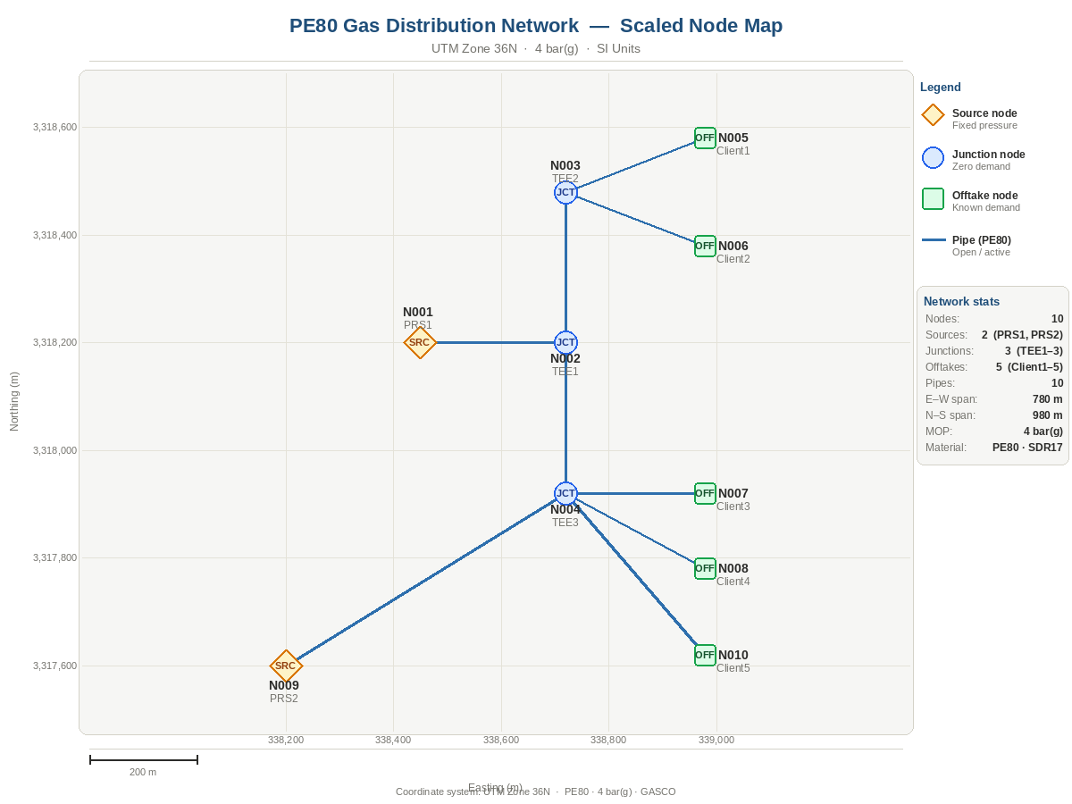
GAS DISTRIBUTION NETWORK NODE TABLE | PE80 · 4 bar(g) · SI Units
Node_ID | Node_Type | Name | Zone | Elevation_m | Known_P_kPa_g | Demand_Sm3h | Demand_Type | Diversity_Factor | Eff_Demand_Sm3h | Min_P_kPa_g | X_Coord | Y_Coord | LEGEND
N001 | source | PRS1 | Zone_A | 0 | 400.0 |  |  |  |  |  | 338450 | 3318200 | Source Node | Fixed pressure boundary Known_P_kPa filled
N002 | junction | TEE1 | Zone_A | 0 |  | 0 |  | 1.00 |  |  | 338720 | 3318200 | Offtake Node | Known demand Demand_Sm3h + DF filled
N003 | junction | TEE2 | Zone_A | 0 |  | 0 |  | 1.00 |  |  | 338720 | 3318480 | Junction Node | Zero demand solver computes pressure
N004 | junction | TEE3 | Zone_B | 0 |  | 0 |  | 1.00 |  |  | 338720 | 3317920 | Known_P cell | Fixed boundary pressure (sources only)
N005 | offtake | Client1 | Zone_A | 0 |  | 1,000.0 | industrial | 1.00 |  | 390.0 | 338980 | 3318580 | Demand cell | Raw peak demand (offtakes only)
N006 | offtake | Client2 | Zone_A | 0 |  | 750.0 | industrial | 1.00 |  | 390.0 | 338980 | 3318380 | Div. Factor | Simultaneity factor 0–1
N007 | offtake | Client3 | Zone_B | 0 |  | 500.0 | industrial | 1.00 |  | 390.0 | 338980 | 3317920 | Eff_Demand | Formula = Demand × DF → passed to solver
N008 | offtake | Client4 | Zone_B | 0 |  | 600.0 | industrial | 1.00 |  | 390.0 | 338980 | 3317780 | ⚠ ERROR | Red = data entry conflict fix before running solver
N009 | source | PRS2 | Zone_B | 0 | 400.0 |  |  |  |  |  | 338200 | 3317600
N010 | offtake | Client5 | Zone_B | 0 |  | 210.0 | industrial | 1.00 |  | 390.0 | 338980 | 3317620

